Sheet1
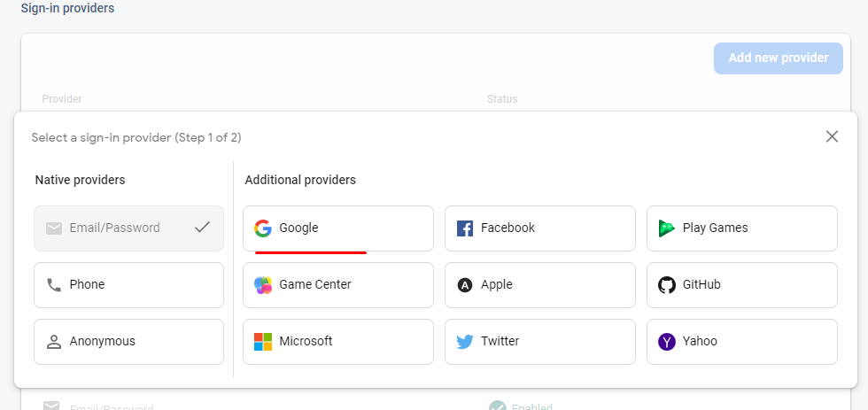
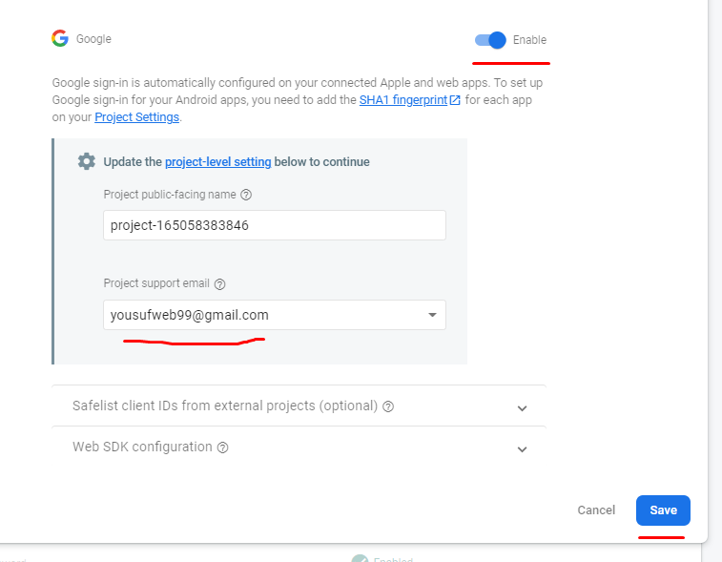
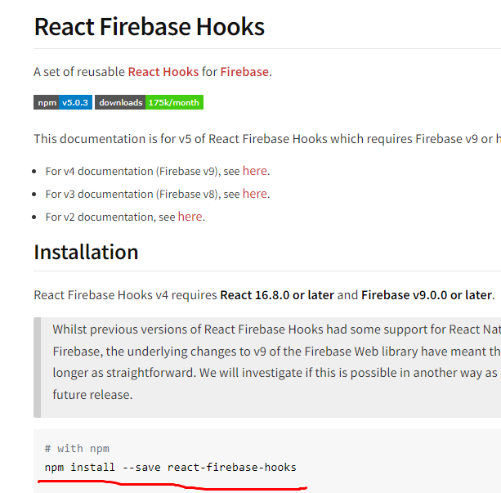
social | login enable kora | from firebase

https://console.firebase.google.com/ |  |  | > project name jawa> | Authentication> | sign in method> | add new provider

